MGEX
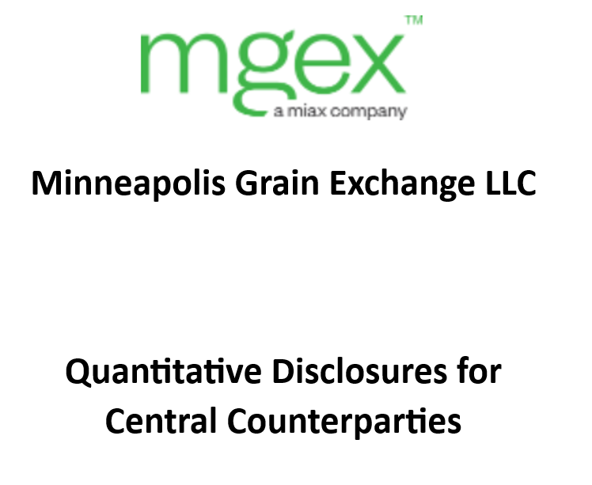

MGEX is providing the information set forth in this Quantitative Disclosure in order to comply with international standards promulgated by the Committee on Payment and Market Infrastructures and the International Organization of Securities Commissions, as well as Commodity Futures Trading Commission requirements. The information provided herein is intended solely for the limited purpose of satisfying such regulatory obligations and should not be used for any other purpose, in particular for investment purposes.
Although the information presented herein is true and accurate to the best of our knowledge and belief, MGEX does not guarantee its accuracy or completeness and is not liable for any errors or omissions. You are solely responsible for any consequences resulting from the use of this information, and MGEX is not responsible for any damages arising out of or in connection with the use of or in reliance on the information available. You acknowledge that MGEX may amend, revise, withdraw, or alter any information provided herein after the date of disclosure. The information provided may not be modified, reproduced, republished, or disseminated in any manner without the prior written consent of MGEX.

